Steady-flow

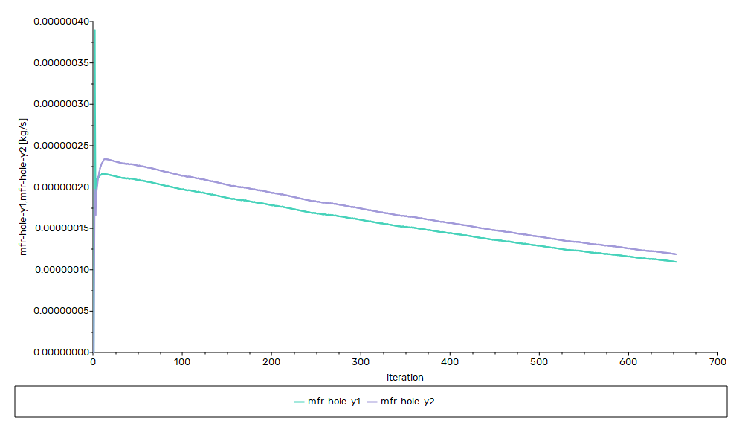
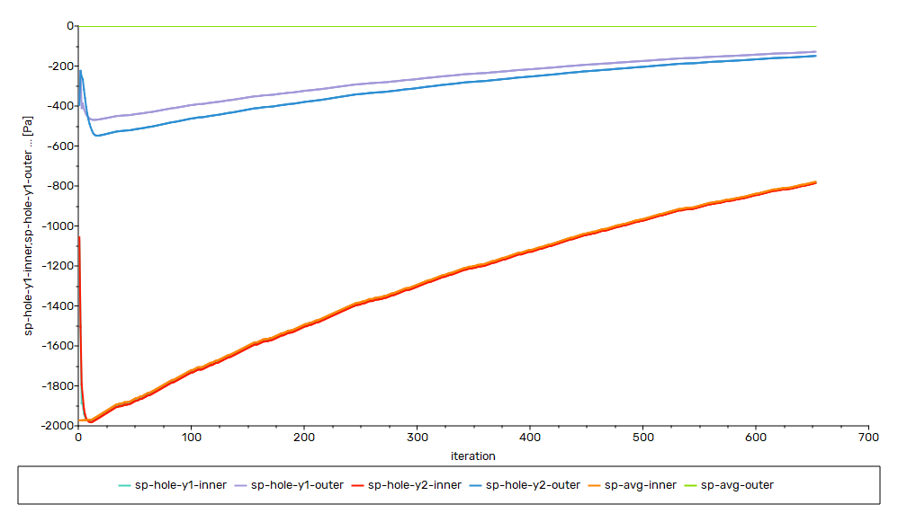
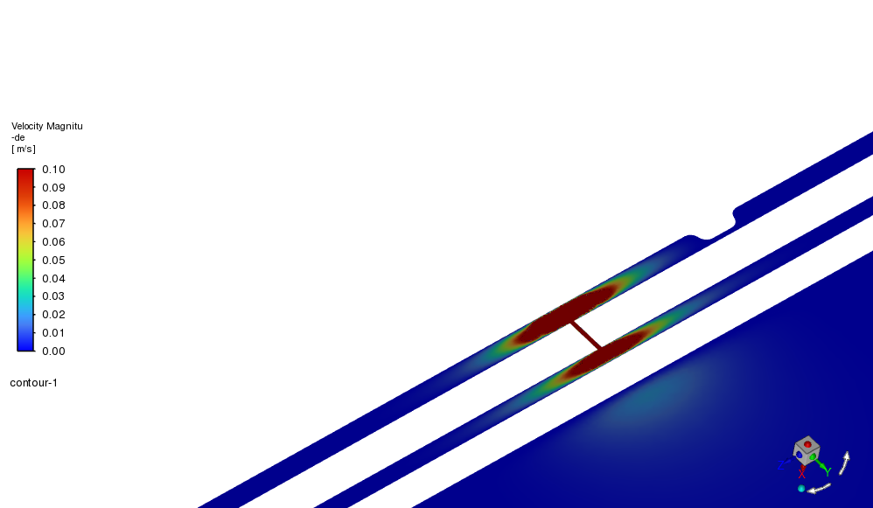
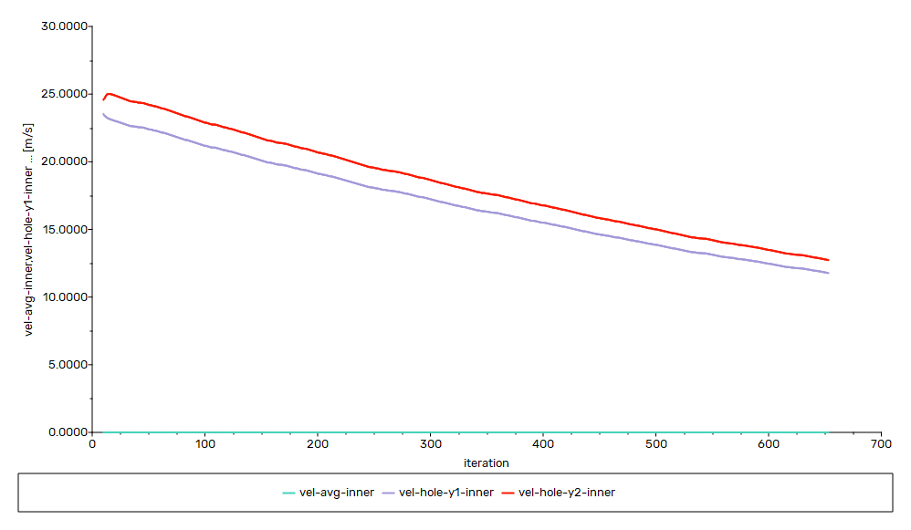

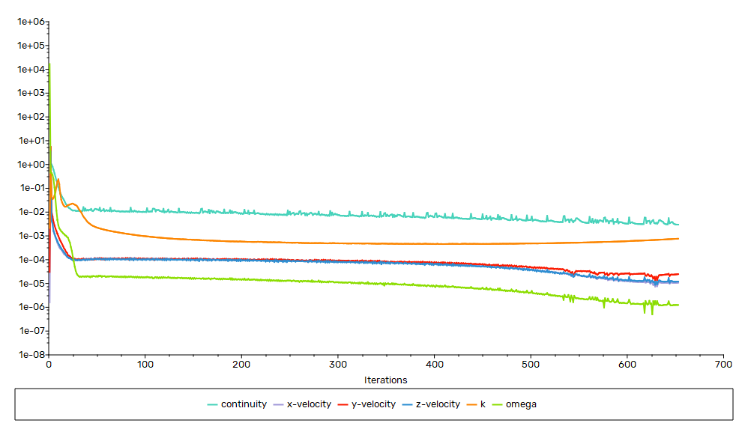
Steady | Flow Only

Air Inner | -2 | kPa | mm3
Air Outer | 0 | Pa | mm3
Holes | 2 | nos.
 | 0.1 | mm
Air | Density | Constant

trans error
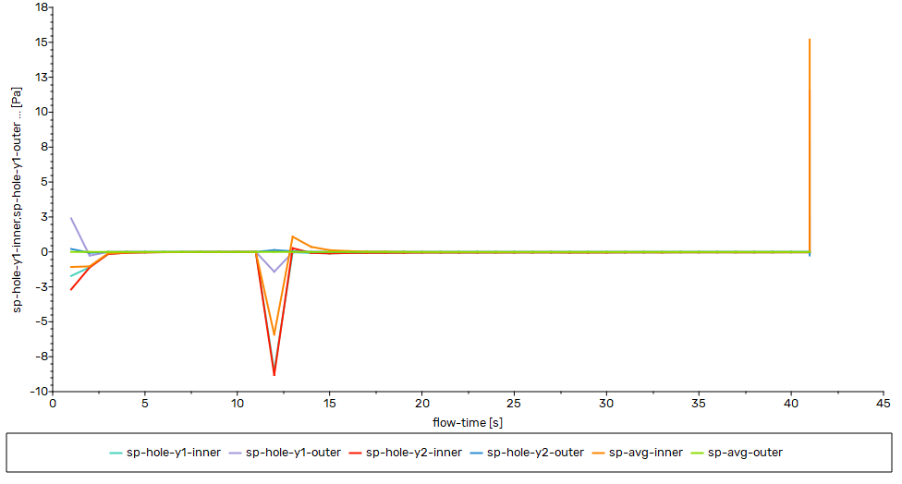
Trans | Flow Only

Air Inner | -2 | kPa |  | mm3
Air Outer | 0 | Pa |  | mm3
Holes | 2 | nos.
 | 0.1 | mm
Air | Density | Constant

Time Step | 1 | s | till 40s
 | 10^-4 | s | @ 42s

Not working flow droppedin few seconds |  |  |  | reason is constant desnity used for trasnient simualtion

trans_Idealgas
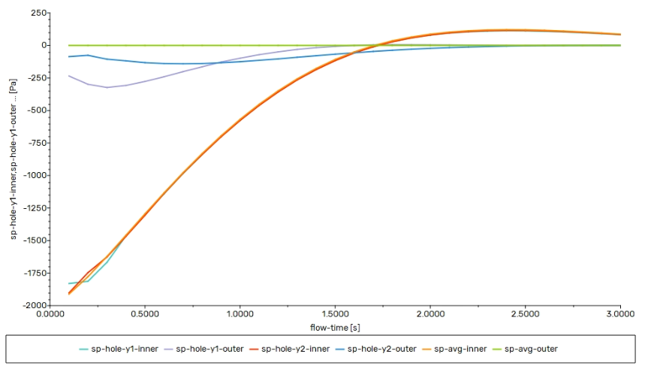
Trans | Flow Only

Air Inner | -2 | kPa | mm3
Air Outer | 0 | Pa | mm3
Holes | 2 | nos.
 | 0.1 | mm
Air | Density | ideal gas

Time Step | 0.1 | s

Working need to check time step effect 1s to 10^-4 s

